Testomat.io
Test Charter

Project URL: | Testomatio.Branches
Date | 2024-05-08
Time Box | 24 minutes
Objectives | Investigate the branch feature
Tester: | Shubina Nataliia
Start Time | 13:00:00
End Time | 13:24:00
Testing Notes: | Table below

Scope Areas:
CRUD operation with branch
Merge branch
Filter branch

Notes |  | Result (Pass/Fail) | Bugs
Branch kebub |  | Fail | BUG #1 https://prnt.sc/ial3PkmwO_pt BUG #2 https://prnt.sc/TPTtEiyQFNha
List of branches |  | Fail | BUG #3 https://prnt.sc/nzT4bpWhRztt
Create branch |  | Fail | BUG #4 https://prnt.sc/oP9UziRu1OG0 BUG #5 https://prnt.sc/oTGR-ByysUMV
Open branch |  | Pass |  | BUG #3 https://prnt.sc/oP9UziRu1OG0 BUG #4
Edit branch |  | Pass
Merge branch |  | Pass
Delete branch |  | Fail | BUG #6 https://prnt.sc/vdvqZL4GeauB
Filter branch |  | Fail | BUG #7 https://prnt.sc/QwLEsgmCpn72

Bugs:
#1. The 'Delete merged branches' button is displayed in the kebab menu when merged branches don't exist. #2. The 'Delete merged branches' button is displayed when a user doesn't have a restriction to delete a merged branch. #3. [UI/UX] New branches appear at the end of the list of branches. #4. [UI/UX] "Create a new branch" field doesn't sticks to the bottom of the screen when creating a large number of branches. #5. The user can create a branch containing only special characters in the title on the branch page if he enters an underscore character. #6. User stays on the details of a branch when they just deleted that branch. #7. The user cannot delete the selected creator on the filter when clicking on the 'x' button.
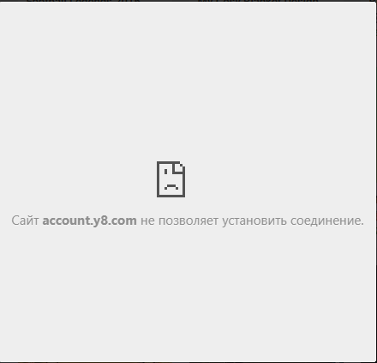
Time on Design and Execution:
Analyzing and Investigation | 15%
Test design | 15%
Test execution | 70%

